1. Title Page
Grocery Basket Analysis

Project Name: Instacart Grocery Basket Analyis
Date: 2022/04/25
Analyst Name: Gregor Liftinger
Source of Data: “The Instacart Online Grocery Shopping Dataset 2017”, Accessed from https://www.instacart.com/datasets/grocery-shopping-2017 in March/April 2022; Customer data as well as the “prices” column in the products data set, were both fabricated for the purpose of this course from CareerFoundry
The column 'Region' from derived from https://simple.wikipedia.org/wiki/List_of_regions_of_the_United_States

Contents:
Population Flow
Consistency checks
Wrangling steps
Column derivations
Visualizations
Recommendations

2. Population Flow
Title page

Population flow

Exclusion flag
Condition: max_order <
Obervations to be removed:
Final total count of order_products_all:

Orders_products_combined
Orders_products_merged
Orders_products_all

Total: 32.404.849
Total: 32.434.489
Total: 32.404.859

1.) The grey boxes in the first row of the population flow represent the original data sets as they were when you downloaded them. In the Total fields you need to add the count of the rows when you imported the data set into Jupyter.
2.) The second row of boxes (coloured) represents the data sets after you manipulated them, e.g., removed missing values and duplicates. In the Total fields you need to add the count of the rows after conducting these operations. This offers a visual oveview of how the data flows throughout the data consistency checks.
3.) The third row, where also the arrows are coloured, represents the merges you performed between the datasets. In the Total fields you need to add the count of the rows in the merged datasets, so that you end up with the final dataset (in the red box). Keep in mind the final dataset should be without exclusions (based on the exclusion flag).

3. Consistency checks
 |  |  |  |  | Title page
Consistency checks

Dataset | Missing values | Name of Column | Missing values treatment | Duplicates
final data set | 206,209 | day_since_prior_order | I assume that the missing valuew are the first order of a new customer, therefore I do nothing
 |  |  | I checked for all datasets if the first order has missing data via a crosstab (see Picture1 below)
final data set | 1,258 | department_id | In the 'department_id' the id 21 is named 'missing'.
 |  |  | I have no further information about this issue, therefore I do nothing
final data set | 11,259 | First Name | I can not impute first names, therefore I do nothing
final data set | 4,429 | prices | The price was 14 900, that seems unreasonable high, that's why we changed them to missing data
final data set | 698 | prices | The price was 99 999, what seems unreasonable high, that's why we changed them to missing data
final data set | 16 | product_name | The data sets were the product_name was missing were dropped
products |  |  |  | 5 duplicates where found that were dropped

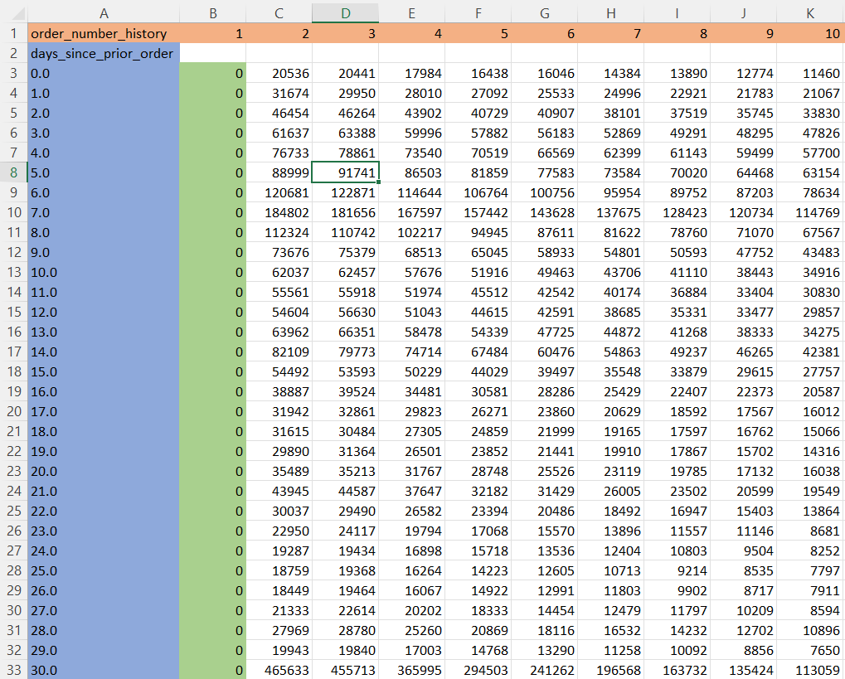

Picture1: Crosstab between the columns 'day_since_prior_order' (column A, blue in the picture) and 'order_number_history' (row 1, orange in the picture) for checking if the first order for all orders is 0 (column B, green in the picture)

4. Wrangling steps
 |  |  |  | Title page
Wrangling steps

Columns dropped | Columns renamed | Columns' type changed | Comment/Reason
 | order_dow -> order_day_of_week |  | The original name was difficult to read
 | order_number -> order_number_history |  | The original name was difficult to interpret
 | Surnam -> Surname |  | Correcting the typo
eval_set |  |  | This data set has only one value 'prior', this information is irrelevant for my purposes
 |  | order_id from int to object | For descriptive analysis
First name |  |  | I dropped this column because of personally identifiable information
Last name |  |  | I dropped this column because of personally identifiable information

5. Column derivations
 |  |  |  | Title page

Column derivations and aggregations

In this tab you should add tables below that the frequences of flags/label variables that you produced after deriving them. NB: don't do this for continuous variables, only for flags.
Dataset | New column | Column/s it was derived from | Conditions
final data set | price_range_loc | prices | "low-range-product": 'prices' <= 5$; "mid-range product": 5$ < 'prices' >= 15$; "high-range-product": 'prices' >15$;
final data set | busiest_day | order_day_of_week | Saturday (0) = busiest day, Wednesday (4) = least busy, rest (1,2,3,5,6) =regularly busy
final data set | busiest_days | order_day_of_week | Saturday (0), Sunday (1) = busiest day; Tuesday (3), Wednesday (4) = least busy; rest (2,5,6) =regularly busy
final data set | busiest_period_of_day | order_hour_of_day | "Most Orders": 9 <= 'order_hour_of_day' >= 17; "Average Orders": 'order_hour_of_day' = 8+18+19; "Least Orders": 0 <= 'order_hour_of_day' >= 7 and 20 <= 'order_hour_of_day' >= 23 ;
final data set | loyalty_flag | max_order | "New customer": 'max_order' <= 10; "Regular customer": 10 > 'max_order' >= 40; "Loyal customer": 'max_order' > 40;
final data set | Spender | average_price_order | "Low spender": 'average_price_order' < 10; "High spender": average_price_order >= 10;
final data set | customer_frequency | median_order | "Non-frequent customer": 'median_order' > 20; "Regular customer": 10 > 'median_order' <= 20; "Frequent customer": 'median_order' <= 10;
final data set | Region |  | This column was derived from https://simple.wikipedia.org/wiki/List_of_regions_of_the_United_States
final data set | low_activity | max_order | "low_activity": 'max_order' < 5 (these customers were excluded from this analysis)
final data set | Customer Profile | age, dependents, deparment_id | "Single adult": age > 18, dependents = 0, department_id = 1 (frozen), 15 (canned food)
final data set | Customer Profile | age, dependents, deparment_id | "Young Parent": 15 < age > 51, dependents > 0, department_id = 18 (babies)

6. Visualizations
 |  |  |  |  |  |  | Title page

Visualisations

In this tab you should include all the visualtions from Exercises 4.9 and 4.10, alongside the questions from the project brief that they answer. Include any commentary on the relationship between different variables.

 | Q1.What are the busiest days of the week and hours of the day for ordering food?
 | The busiest day of the week is Saturday, followed close by Sunday. |  |  |  |  |  |  | The busiest hour of the day for orders is 10 am
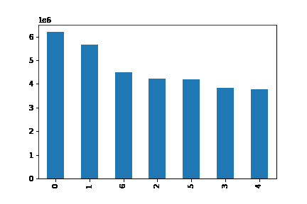
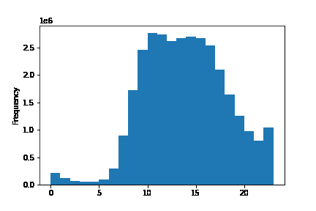

Chart1: Bar chart of number of orders per day (0 = Saturday, 1 = Sunday, 2 = Monday, 3 = Tuesday, 4 = Wednesday, 5 = Thursday, 6 = Friday), Y-Axis in Million orders |  |  |  |  |  |  |  | Chart2: Histogram/Frequency of 'order_hour_of_day'

 | Q2. Are there particular times of the day when people spend the most money?
 | The days when goods with the highest prices are sold are Saturday (0) and Friday (6) |  |  |  |  |  |  | The goods with the highest prices are sold in the early morning hours at 2 and 3 am.
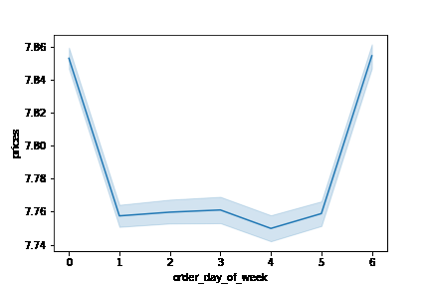
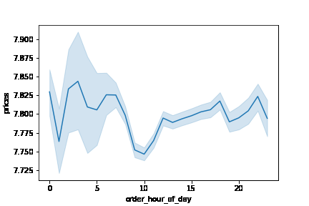

Chart3: Line chart of the average price of goods sold per day |  |  |  |  |  |  |  | Chart4: Line chart of the average price of goods per order hour of a day

 | Q3. Are there certain types of products that are more popular than others?
 | The departments 'produce' (4) and 'dairy eggs' (16) have the highest frequency of ordering.
 | The products 'Banana' (product_id 24852), 'Bag of Organic Bananas' (product_id 13176) and 'Organic Strawberries' (product_id 21137) of 'produce' (4) are the top 3 sold
 | The departments/products 'other' (2), and 'bulk' (10) have the lowest frequency of ordering.

 | frequency of orders
4 | 9079273
16 | 5177182
19 | 2766406
7 | 2571901
1 | 2121731
13 | 1782705
3 | 1120828
15 | 1012074
20 | 1003834
9 | 822136
17 | 699857
12 | 674781
14 | 670850
11 | 424306
18 | 410392
6 | 255991
5 | 144627
8 | 93060
21 | 64768
2 | 34411
10 | 33451

Chart4: Bar chart of order frequency per deparment_id

 | Q4. What’s the distribution among users in regards to their brand loyalty (i.e., how often do they return to Instacart)?
 | This data was derived from the maximum order number. |  |  |  |  |  |  | This data was derived from the median order number.
 | Most customers are 'Regular Customers' (maximum order frequency lies between 10-40) |  |  |  |  |  |  | Most customers are 'Frequent Customers' (median order frequency is equal to or greater than 20)

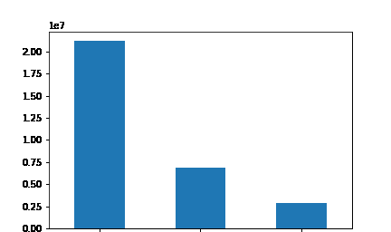

 |  | Regular |  | Loyal |  | New |  |  | Frequent | Regular | Non-Frequent
 |  | Customer |  | Customer |  | Customer |  |  | Customer | Customer | Customer

Chart5: Bar chart of distribution of 'loyality_flag'; Y-Axis in Million customers |  |  |  |  |  |  |  | Chart6: Bar chart of distribution of 'customer_frequency'; Y-Axis in Million customers

 | Q6. Are there differences in ordering habits based on a customer’s region?
 | Across regions, there is no significant difference between ordering habits.

Differences in spending habits across regions
 | High spender | Low spender
Region_1 | 5.13% | 94.87%
Region_2 | 5.27% | 94.73%
Region_3 | 5.32% | 94.68%
Region_4 | 5.29% | 94.71%

 |  |  |  |  |  |  |  |  |  |  |  | scatterplot age and income for Single adult

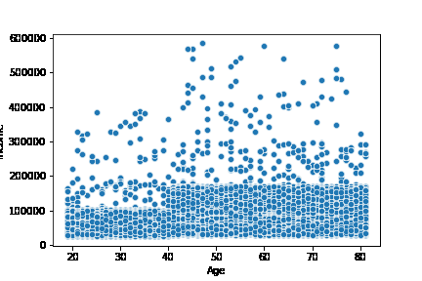
Chart7: Bar chart of distribution of spending habits across 4 regions (regions where derived according https://simple.wikipedia.org/wiki/List_of_regions_of_the_United_States)

 | Q7. Is there a connection between age and family status in terms of ordering habits?
 | I find no significant difference between age, family status, and ordering habits.
 | Except for the profile 'Young parents'; and the difference has probably to do with the income, with is significantly less until about 40 years.
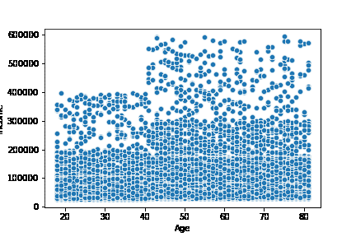
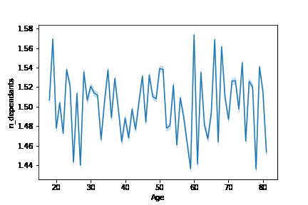

Chart8: Scatterplot between income and age |  |  |  |  |  |  |  | Chart9: Line chart with the relationship between dependants and age

 | Q8. What different classifications does the demographic information suggest? Age? Income? Certain types of goods? Family status?
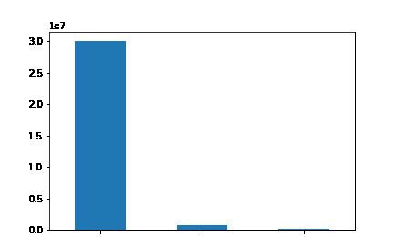

 |  |  |  |  |  |  |  |  |  |  |  | scatterplot age and income for Young Parent

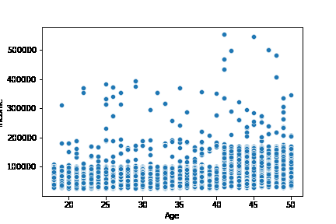

 |  | no profile | Single adult |  | Young parents

Chart9: Distribution of customer profiles 'no profile', 'Single adult' and 'Young Parent'

 | Q9. What differences can you find in ordering habits of different customer profiles? Consider the price of orders, the frequency of orders, the products customers are ordering, and anything else you can think of.
 | A9a. The main differences between the profiles are (see chart10 and 11 in table 6. Visualizations):
 | A9a. ''Young parents' order more often, because they order faster after the last order than 'Single adults' and the whole data set.
 | A9a. ''Single adults' are adding more products to the cart than 'Young parents' and the whole data set
 | A9a. ''Young Parents' are significantly younger and have less income than 'single adults' and the whole data set

 | A9a. The mean of the maximum number of orders ('max_orders'). 'Young parents' order around 40 times, 'single adults' at around 32 times, and for the complete data set it lies at 34.
 | A9a. The mean of how many times did a customer orders ('order_number_history') lies for 'young parents' at 20, for 'single adults' at 17, and for the whole data set at around 18.
 | A9a. The mean of what is the time difference between orders (days_since_prior_order) lies for 'young parents' at 10 days, for 'single adults' at 11 days, and for the whole data set at 11.
 | A9a. The mean of the number of products in a single order (add_to_cart_order) lies for 'young parents' at 11, for 'single adults' at 9, and for the whole data set at 8.
 | A9a. The mean age lies for 'young parents' at 34, for 'single adults' at 50, and for the whole data set at 49.
 | A9a. The mean income lie for 'young parents' at 86.386, for 'single adults' at 101.764, and for the whole data set at 99.675.
 | A9a. Every other column is not significantly different.

 | A9b. The main difference for 'Young Parents' across regions lies with the mean of 'max_order': region_1 = 37,61; region_2 = 40,18; region_3 = 40,75; region_4 = 39,55. Every other column is not significantly different.
 | A9b. For 'Single Adults' there are no significant differences across regions.
Customer Profiles (Mean)
 | Single Adults | Young Parents | Whole data set
Order number | 16.52 | 20.01 | 17.8
Days since prior order | 11.38 | 9.65 | 10.8
Add to cart order | 9.3 | 10.55 | 8.36
Maximum order number | 31.91 | 39.75 | 34.4
Age | 50.14 | 34.34 | 49.47
Dependant | 0 | 2.01 | 1.5
Mean Income of Customer Profiles
 | Single Adults | Young Parents | Whole data set
Income | 101764 | 86387 | 99676

Chart10: Customer profiles mean in certain variables |  |  |  |  |  |  |  | Chart11: Customer profiles mean income

7. Recommendations
 | Title page

Recommendations

In this tab you should include any recommendations you would made to Instcart in terms of their marketing strategy based on the questions posed in the brief. Every key question has been covered in the Tasks of the Exercises - here you need to add an item - a visualisation or table/crosstable that is showing the answer in the data, acompanied by a comment from you. Please, list the questions below and add the answer underneath.

Q1. What are the busiest days of the week and hours of the day for ordering food?
A1a. The busiest hour of the day for orders is 10 am. (see Chart2 in table 6.Visualizations)
A1b. The busiest day of the week is Saturday, followed close by Sunday. (see Chart1 in table 6. Visualizations)

Q2. Are there particular times of the day when people spend the most money?
A2a. The days when goods with the highest prices are sold are Saturday (0) and Friday (6). (see Chart3 in table 6. Visualizations)
A2b. The goods with the highest prices are sold in the early morning hours at 2 and 3 am. (see Chart4 in table 6. Visualizations)

Q3. Are there certain types of products that are more popular than others?
A3a. The departments 'produce' (4) and 'dairy eggs' (16) have the highest frequency of ordering. (see Chart4 in table 6. Visualizations)
A3b. The products 'Banana' (product_id 24852), 'Bag of Organic Bananas' (product_id 13176) and 'Organic Strawberries' (product_id 21137) of 'produce' (4) are the top 3 sold
A3c. The departments/products 'other' (2), and 'bulk' (10) have the lowest frequency of ordering. (see Chart4 in table 6. Visualizations)

Q4. What’s the distribution among users in regards to their brand loyalty? (i.e., how often do they return to Instacart)?
A4a. Most customers are 'Regular Customers' (maximum number of orders lies between 10-40) (see Chart5 in table 6. Visualizations)
A4b. Most customers are 'Frequent Customers' (median order frequency is equal to or greater than 20) (see chart6 in table 6. Visualizations)

Q5. Are there differences in ordering habits based on a customer’s loyalty status?
A5. I don't find any connection, the only difference is per design (the order number, days since prior order, and maximum order)

Q6. Are there differences in ordering habits based on a customer’s region?
A6. Across regions, there is no significant difference between ordering habits. (see chart7 in table 6. Visualizations)

Q7. Is there a connection between age and family status in terms of ordering habits?
A6. I find no significant difference between age, family status, and ordering habits.
A6. Except for the profile 'Young parents'; and the difference has probably to do with the income, which is significantly less until about 40 years. (see Chart8 and 9 in table 6. Visualizations)

Q8. What different classifications does the demographic information suggest? Age? Income? Certain types of goods? Family status?
A8. I created 2 customer profiles (see chart9 in table 6. Visualizations):
A8. "Single adult": age > 18, dependents = 0, department_id = 1 (frozen), 15 (canned food)
A8. "Young Parent": 15 < age > 51, dependents > 0, department_id = 18 (babies)

Q9. What differences can you find in ordering habits of different customer profiles? Consider the price of orders, the frequency of orders, the products customers are ordering, and anything else you can think of.
A9a. The main differences between the profiles are (see chart10 and 11 in table 6. Visualizations):
A9a. ''Young parents' order more often, because they order faster after the last order than 'Single adults' and the whole data set.
A9a. ''Single adults' are adding more products to the cart than 'Young parents' and the whole data set
A9a. ''Young Parents' are significantly younger and have less income than 'single adults' and the whole data set

A9a. The mean of the maximum number of orders ('max_orders'). 'Young parents' order around 40 times, 'single adults' at around 32 times, and for the complete data set it lies at 34.
A9a. The mean of how many times did a customer orders ('order_number_history') lies for 'young parents' at 20, for 'single adults' at 17, and for the whole data set at around 18.
A9a. The mean of what is the time difference between orders (days_since_prior_order) lies for 'young parents' at 10 days, for 'single adults' at 11 days, and for the whole data set at 11.
A9a. The mean of the number of products in a single order (add_to_cart_order) lies for 'young parents' at 11, for 'single adults' at 9, and for the whole data set at 8.
A9a. The mean age lies for 'young parents' at 34, for 'single adults' at 50, and for the whole data set at 49.
A9a. The mean income lie for 'young parents' at 86.386, for 'single adults' at 101.764, and for the whole data set at 99.675.
A9a. Every other column is not significantly different.

A9b. The main difference for 'Young Parents' across regions lies with the mean of 'max_order': region_1 = 37,61; region_2 = 40,18; region_3 = 40,75; region_4 = 39,55. Every other column is not significantly different.
A9b. For 'Single Adults' there are no significant differences across regions.

Recommendations:
Recommendation1: Focus your marketing budget on the weekend and before midday.
Recommendation2: Take a deeper look at what products people are ordering during the small hours and focus the marketing budget during that time on these products.
Recommendation3: Most customers stay on Instacart - brand loyalty is high. Try to persuade them to order more products per order by offering discounts after a certain threshold.
Recommendation4: Because customer's age differs between 18 and 81, we should cater them with different marketing strategies for the different age groups
Recommendation5: Find more customer profiles, because a very great amount of customers did not fit in the two profiles.

